Sheet1
 |  | Raw Cluster distribution |  |  |  |  |  | % of each Timepoint in each cluster |  |  |  | % of each cluster occupied by each timepoint |  |  |  |  | It seems like there's a pseudo- time based progression (c0->c2->c1), and a non-sequential functional adaptation with function increasing from c0->c1->c2. These characterizations are independent of sex in this dataset, contrary to some of my published work (https://journals.physiology.org/doi/abs/10.1152/ajpheart.00098.2024).
 |  | Cluster 0 | Cluster 1 | Cluster 2 | Total/wk |  |  | Cluster 0 | Cluster 1 | Cluster 2 | --> The latest timepoint W12 occurred most commonly in C1 |  | Cluster 0 | Cluster 1 | Cluster 2 | --> C1 primarily later timepoints, c2 primarily mid timepoints, C0 even mix
 | W4 | 8 | 4 | 12 | 24 |  | W4 | 33.33% | 16.67% | 50.00% |  | W4 | 36.36% | 12.50% | 25.53%
 | W8 | 6 | 13 | 21 | 40 |  | W8 | 15.00% | 32.50% | 52.50% |  | W8 | 27.27% | 40.63% | 44.68%
 | W12 | 8 | 15 | 14 | 37 |  | W12 | 21.62% | 40.54% | 37.84% |  | W12 | 36.36% | 46.88% | 29.79%
 | Total/cluster | 22 | 32 | 47 | 101
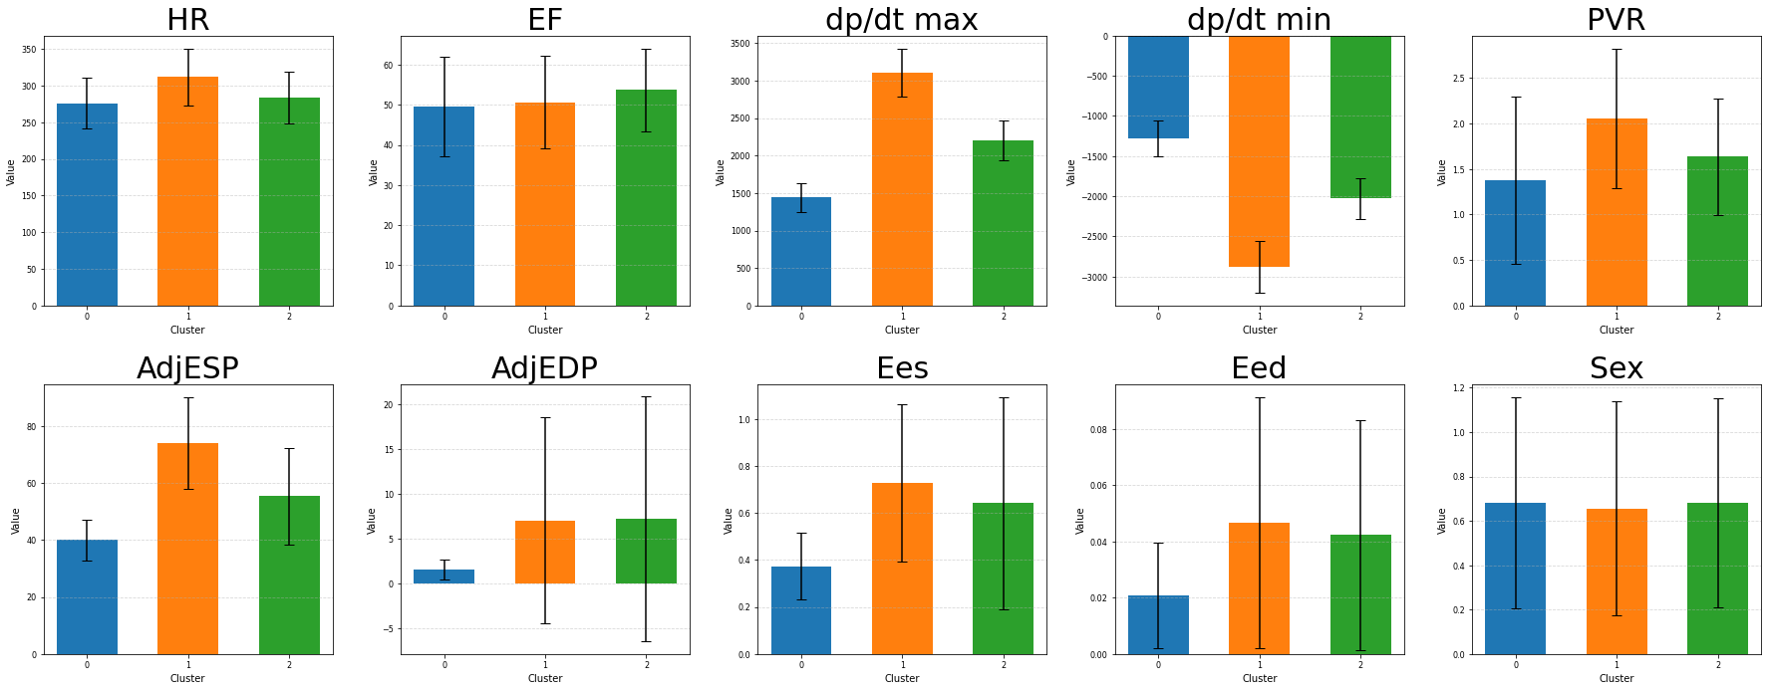
*
*
*
*
*
*
*

 |  |  | function
C0
C2
C1
 |  |  |  |  |  | C2 = medium pressure, highest function
 |  |  |  |  |  | C1 = Highest pressure, high adaptative mechanism recruitment
pressure |  |  |  |  |  | C0 = lowest pressure, least remodeling

*
*
*

*
*
*
*
*
*
*
*
 | Theoretical possible pressure-function combinations
 |  |  | Pressure
 | Function |  | low |  | high
 |  | high | Healthy |  | Adapted
 |  | low | Unusually sick |  | Severe/sick

